1. Title Page
[Instacart Grocery Basket Analysis
]

Project Name: Instacart Grocery Basket Analysis
Date: June 2025
Analyst Name: Angela Franco

Contents:
Population Flow
Consistency checks
Wrangling steps
Column derivations
Visualizations
Recommendations

2. Population Flow
 | Title page

Population flow

Exclusion flag
Condition: max_order <
Obervations to be removed:
Final total count of order_products_all:

Orders_products_combined
Orders_products_merged
Orders_products_all

Total: 1000000, 20
Total: 32434489
Total:
32404859, 30

1.) The grey boxes in the first row of the population flow represent the original data sets as they were when you downloaded them. In the Total fields you need to add the count of the rows when you imported the data set into Jupyter.
2.) The second row of boxes (coloured) represents the data sets after you manipulated them, e.g., removed missing values and duplicates. In the Total fields you need to add the count of the rows after conducting these operations. This offers a visual oveview of how the data flows throughout the data consistency checks.
3.) The third row, where also the arrows are coloured, represents the merges you performed between the datasets. In the Total fields you need to add the count of the rows in the merged datasets, so that you end up with the final dataset (in the red box). Keep in mind the final dataset should be without exclusions (based on the exclusion flag).

3. Consistency checks
 |  |  |  | Title page
Consistency checks

Dataset | Missing values | Missing values treatment | Duplicates
orders | 0 | N/A | 0
products | 16 in 'product_name' | Excluded | 5
orders_products_prior | 0 | N/A | 0
customers | 11259 in 'first_name' | Column deleted | 0

4. Wrangling steps
 |  |  |  | Title page
Wrangling steps

Columns dropped | Columns renamed | Columns' type changed | Comment/Reason
products: product_name | orders: dow
customer: first_name | custome: Surnam
customer: Surname
ords: eval_set
all merged: merge flags

5. Column derivations
 |  |  |  | Title page

Column derivations and aggregations

In this tab you should add tables below that the frequences of flags/label variables that you produced after deriving them. NB: don't do this for continuous variables, only for flags.
Dataset | New column | Column/s it was derived from | Conditions
orders | first_order | days_since_prior_order | If day since prior order NaN, then show as "first order"
orders | max_order | Uder_id and order_number | Shows the higher number of orders per user
ords_prods | price_range | prices | If prices > 15 = 'High-range product', if prices between 5 and 15 'Mid-range product' if prices < 5 = 'Low-range product'
ords_prods | busiest_days | order_day_of_week | If order placed on Sunday or Monday = Busiest days. if order placed on Friday or Saturday = ‘Slowest days’ if order placed on a different day = "Regular busy"
ords_prods | busiest_period | order_hour_of_day | If order placed at 10, 11, 14, 15, 13, 12, 16, or 9 = 'Most orders' if order placed at 17, 8, 18, 19, 20, 7, 21, or 22 = Average orders' if order placed at 23, 6, 0, 1, 5, 2, 4, or 3 = 'Fewest orders'
ords_prods_merge | loyalty_flag | max_order’ | If max order > 40 = 'Loyal customer' if max order <= 40 and > 10 = 'Regular customer' if max order <= 10 = 'New customer'
ords_prods_merge | avg_price | user_id and prices | Average spent per customer
ords_prods_merge | avg_days | user_id and days since prior order | average of days in between orders
ords_prods_merge | frequency_flag | avg_days | If avg_days > 20, = 'Non-frequent customer' if avg_daysbetween 10 and 20 = 'Regular customer' if avg_days <= 10 = 'Frequent customer'
all | Region | State | Region where the State is located
all | spending_flag | avg_price | If avg_price < 10 = 'Low spender' if avg_price >= 10 = 'High spender'
all | Exclusion flag for low-activity customers | spending_flag | Excluded low spenders from dataset
all |  |  | Divided the data in 2 samples 80/20
all - 20% sample | Customer profiling | age, income, n_ dependants, department_id | Single adult: n_dependants = 0 Age <= 25 income >= 20000 department_id in (1, 5, 19) Young professional n_dependants = 0 Age <= 40 income >= 50000 department_id in (11, 13, 14) Young parent n_dependants >= 1 Age <= 40 income >= 50000 department_id = 18 Retired n_dependants >= 1 Age >= 70 income >= 300000 department_id in (11, 13, 14)

6. Visualizations
 |  |  | Title page

Visualisations

In this tab you should include all the visualtions from Exercises 4.9 and 4.10, alongside the questions from the project brief that they answer. Include any commentary on the relationship between different variables.

Busiest days of the week and hours of the day

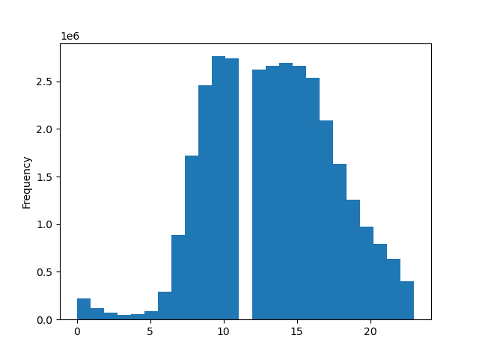

 |  | We can observe that more orders are placed on Sundays, followed by Mondays. This can be because Sundays are usually days of when people have time to sit in front of a computer to shop

 |  | The histogram shows that customers prefer to shop in the morning

When do people spend more money?

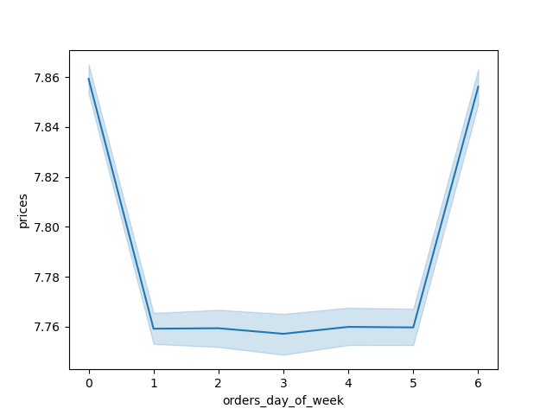

 |  | Not only customers prefer to shop in the morning but it's also when more expensive orders are placed

Price range grouping


 | This chart shows the price ranges of Instacart products. The products sold on Instacart range from $1 - $25. Marketing could use ranges of $5

Types of customers


 | "Regular customers" represent the highest number of Instacart customers. In second place, we have "loyal customers", and in third, "new customers"

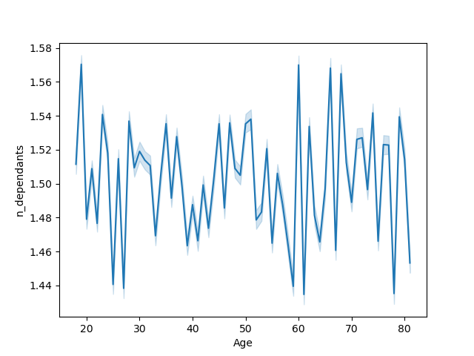  |  | The chart on the left doesn't show any relation between age and number of dependants. Customers aged 20 and 60 show to have the highest number of dependants. The scatter plot shows that customers whose age is between 40 - 80 have a higher income

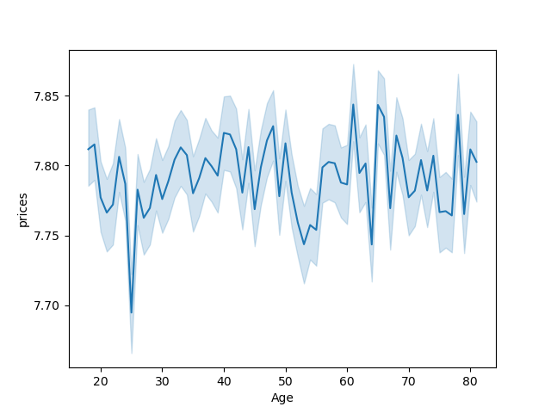 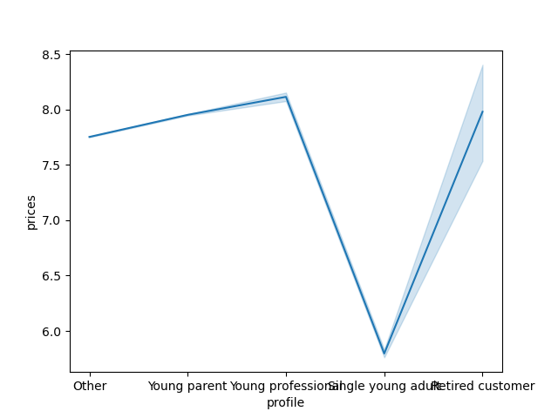 |  | The chart on the left shows that customers in ages 60 and 70 spend more money buying on Instacart, while customers aged 25 spend the least money. The line on the right shows a 20% sample and customers divided in categories. We can see that single young customers spent the least money, but the young professionals and retired customers spend the most

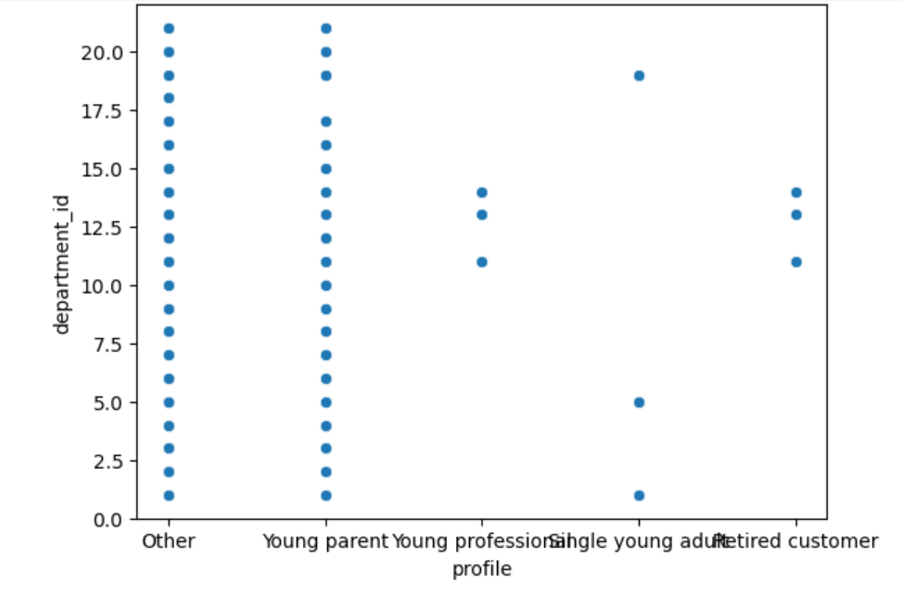 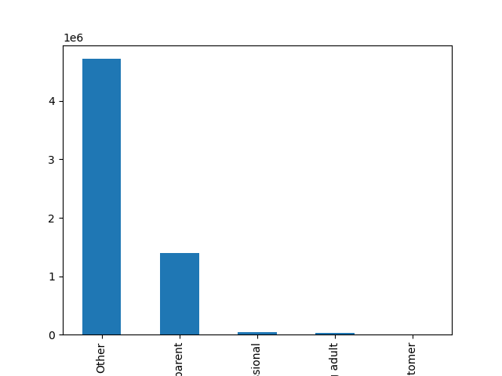 |  | Customers were categorized based on their age, no. of dependants, income, and products from certain depts. "Others" customers and "young parents" buy products from all or almost all of the departments, while other profiles buy products from specific deparments. The mayority of customers fell under the "others" category, while "young parent" comes in second place.

7. Recommendations
 |  | Title page

Recommendations

In this tab you should include any recommendations you would made to Instcart in terms of their marketing strategy based on the questions posed in the brief. Every key question has been covered in the Tasks of the Exercises - here you need to add an item - a visualisation or table/crosstable that is showing the answer in the data, acompanied by a comment from you. Please, list the questions below and add the answer underneath.

Question | Answer
What are the busiest days of the week and hours of the day? | The data shows that Sundays and Mondays are the bussiest days, perhaps this has to do with the beginning of the week. If a goal is to increase sells at the end of the week, Instacart could introduce "weekend sales"

 | The busiest hours are "office hours". Something interesting is that no purchases are registered around 11 am.

Question | Answer
When do people spend more money? | People spend more money around 2 - 3 am, despite being these the quiest hours in terms of buys. These might be customers with sleeping problems (which wouldn't be the majority) that tend to compulsively buy more expensive products. At the same time, we see that 10 am is when people tend to spend less, and as seen above, around 11 am there are no more sells. If Instacart wanted to use this window to incentivate sales, they could offer free shipping in this window of time

Question | Answer
What price ranges could the Marketing team use? | The products sold on Instacart range from $1 - $25. Marketing could use ranges of $5 to direct their efforts.

Question | Answer
What’s the distribution among users in regards to their brand loyalty | Regular customers, those whose number of orders are between 10 and 40, represent the highest number of Instacart customers. In second place, we have "loyal customers", and in third, "new customers". To promote loyal customers, Instacart could develop a reward program based on monthly purchases.

Demographics

Question | Answer
Is there a connection between age and number of dependants? | Not really, although customers aged 20 and 60 show to have the highest number of dependants.

Question | Answer
Is there a connection between age and money spent? | Also no. If we overlapped this graphic with the one above, we would see that the money spent might be related to the number of dependants

Question | Answer
Is there a connection between income and money spent? | Somewhat but not completely. For example, people above 40 is shown in the higher income on this scatter plot. But in the graphic above, people in their 50s buy cheaper products

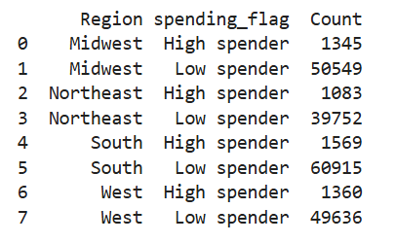
Question | Answer
Are there differences in ordering habits based on a customer’s region? | In general, there are more "low-spender customers". However, the lowest spenders are in the south region, follow by the mid west.

For the next visualizations, I excluded "low spender customers", meaning, customers whose average spent amount is 10 or less. On top of that, I worked on a 20% sample for the customer categorization. They were categorized based on their age, number of dependants, income, and products from certain depts. The four categories are: single adult,
young parent, young professional, and retired

A lot of the customers were categorized as "other", followed by young parents. The least number of customers fall under the retired category.
Young professionals and retired customers shop from the same departments (personal care, pantry, and breakfast) , while young parents shop from almost all.
Young professionals buy more expensive products than the other categories.



Summary: Sundays are the busiest days for orders placed. Most of them are placed in the morning, except for around 11 am. Most of Instacart customers are regular, meaning that their average number of urders is between 10 and 40. The large data suggests that the amount customers spend is related to the number of dependats and not their income. However, the 20% sample without the low spender customers shows that young professionals buy more expensive products from fewer departments. This could be that the products in those departments (personal care, pantry, and breakfast) are overall more expensive.
Suggestions: Offer free shipping or some kind of discount in the morning to incentivate people to shop between 10 - 11 am. we could also introduce weekend discounts or specials. Implement a reward plan for loyal customers, who are not the majority. Promote products that could be of interest to young parents, they are the biggest category after "other"
Next steps: Include a new category to put the customers that currently are under "other". There could be an analysis opportunity here.

